ReadMe
 | This spreadsheet shows Caltrain Ridership Forecasts for the Caltrain Business Plan project.
 | Date prepared: | 2019-02-21
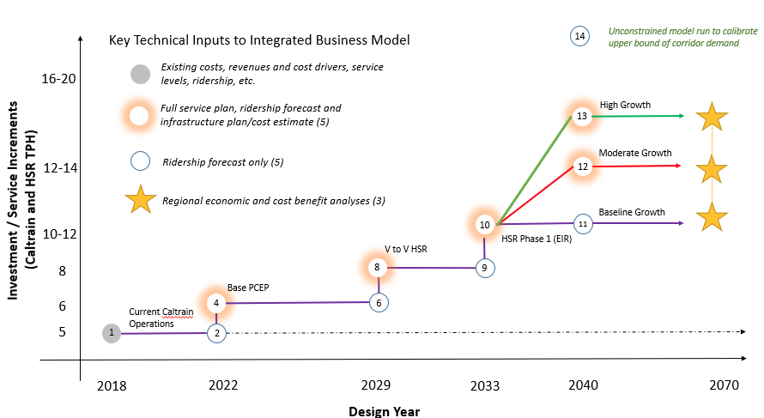
 | Data dictionary for all tabs:
 | Origin_ID | Numerical ID of origin station
 | Origin_Name | Name of origin station
 | Dest_ID | Numerical ID of destination station
 | Dest_Name | Name of destination station
1 | Ridership_2017_observed | Observed origin-to-destination ridership for current Caltrain operations
2 | Ridership_2022_diesel | Forecast origin-to-destination ridership for 2022, before PCEP service changes
4 | Ridership_2022_PCEP | Forecast origin-to-destination ridership for 2022, after PCEP service changes
5 | Ridership_2029_PCEP_noTransbay | Forecast origin-to-destination ridership for 2029, after PCEP service changes
6 | Ridership_2029_PCEP | Forecast origin-to-destination ridership for 2029, after DTX and before Valley to Valley HSR
8 | Ridership_2029_HSR1 | Forecast origin-to-destination ridership for 2029, after Valley to Valley HSR
9 | Ridership_2033_HSR1 | Forecast origin-to-destination ridership for 2033, before HSR phase 1
10 | Ridership_2033_HSR2 | Forecast origin-to-destination ridership for 2033, after HSR phase 1
11 | Ridership_2040_HSR2 | Forecast origin-to-destination ridership for 2040, baseline growth
12 | Ridership_2040_moderate | Forecast origin-to-destination ridership for 2040, moderate growth
13 | Ridership_2040_high | Forecast origin-to-destination ridership for 2040, high growth
 |  |  | Not pictured: 5 - 2029 PCEP without DTX
 | Index of tabs:
 | ReadMe | General spreadsheet information
 | Daily | Forecasts for average weekday ridership, all day
 | EA | Forecasts for average weekday ridership, early AM (5 - 6 am)
 | AM | Forecasts for average weekday ridership, AM peak (6-11 am)
 | MD | Forecasts for average weekday ridership, midday (11am - 3pm)
 | PM | Forecasts for average weekday ridership, PM peak (3-8 pm)
 | EV | Forecasts for average weekday ridership, evening (8pm - 12am)
 | Wknd | Forecasts for average weekend ridership, all day

